Conversion Path. Ref.
 | Biomass ($/kg) (i,m) | Biomass → Alternative Materials |  |  |  |  |  |  |  |  | Ref.
 |  | Paper Board Cartons | Coated Papers | Cellulosic | Edible & Ephemeral Packaging | Compostable Plastics | Textile | Wood |  |  | Achieving net-zero greenhouse gas emission plastics by a circular carbon economy | Science
CO2 → Biomass | Wood Chips | √, https://www.epa.gov/sites/default/files/2015-10/documents/pulp-paper_economic-analysis-cluster-rule_1997.pdf, https://www.mdpi.com/2079-9276/12/2/22 | Optimising cascaded utilisation of wood resources considering economic and environmental aspects - ScienceDirect | Techno-economic analysis and life cycle assessment of cellulose nanocrystals production from wood pulp - ScienceDirect, https://www.sciencedirect.com/science/article/pii/S0961953408000858 | Plant-based materials and transitioning to a circular economy - ScienceDirect | Prioritisation of biomass-derived products for biorefineries based on economic feasibility: A review on the comparability of techno-economic assessment results - ScienceDirect | Techno‐economic analysis of hemicellulose extraction from different types of lignocellulosic feedstocks and strategies for cost optimization - Geng - 2020 - Biofuels, Bioproducts and Biorefining - Wiley Online Library | √ |  |  | Carbon-Dioxide-Removal-Mission-Roadmap-Sept-22.pdf (mission-innovation.net)
 | Wood Pellets | √, https://www.epa.gov/sites/default/files/2015-10/documents/pulp-paper_economic-analysis-cluster-rule_1997.pdf, https://www.mdpi.com/2079-9276/12/2/22 | Optimising cascaded utilisation of wood resources considering economic and environmental aspects - ScienceDirect | Techno-economic analysis and life cycle assessment of cellulose nanocrystals production from wood pulp - ScienceDirect, https://www.sciencedirect.com/science/article/pii/S0961953408000858 | Plant-based materials and transitioning to a circular economy - ScienceDirect | Prioritisation of biomass-derived products for biorefineries based on economic feasibility: A review on the comparability of techno-economic assessment results - ScienceDirect | Techno‐economic analysis of hemicellulose extraction from different types of lignocellulosic feedstocks and strategies for cost optimization - Geng - 2020 - Biofuels, Bioproducts and Biorefining - Wiley Online Library | √
 | Bark Chips | √, https://www.epa.gov/sites/default/files/2015-10/documents/pulp-paper_economic-analysis-cluster-rule_1997.pdf, https://www.mdpi.com/2079-9276/12/2/22 | Optimising cascaded utilisation of wood resources considering economic and environmental aspects - ScienceDirect | Design of nano and micro fibrillated cellulose production processes from forest industrial wastes in a multiproduct biorefinery - ScienceDirect | Plant-based materials and transitioning to a circular economy - ScienceDirect | Prioritisation of biomass-derived products for biorefineries based on economic feasibility: A review on the comparability of techno-economic assessment results - ScienceDirect
 | Miscanthus |  |  | Design of nano and micro fibrillated cellulose production processes from forest industrial wastes in a multiproduct biorefinery - ScienceDirect |  | Fermentation | Free Full-Text | Techno-Economic Analysis of the Production of Lactic Acid from Lignocellulosic Biomass (mdpi.com) |  |  |  |  |  | TRL Level
 | Sugar Crops | √, PEER-REVIEW ARTICLE (researchgate.net), https://www.sciencedirect.com/science/article/pii/S0959652621036337 | DESIGN OF A 40 TPD PLANT PROCESSING TISSUE PAPER FROM BAGASSE (researchgate.net) | Microcrystalline cellulose production from sugarcane bagasse: Sustainable process development and life cycle assessment - ScienceDirect | Microsoft Word - eur22103en.doc (researchgate.net) | Life cycle and economic assessment of sugarcane bagasse valorization to lactic acid - ScienceDirect, https://onlinelibrary.wiley.com/doi/full/10.1002/bbb.2287 | Techno‐economic analysis of hemicellulose extraction from different types of lignocellulosic feedstocks and strategies for cost optimization - Geng - 2020 - Biofuels, Bioproducts and Biorefining - Wiley Online Library |  |  |  |  |  | High | Linearized
 | Oil Crops | √, Paper & Cardboard – iHempWA, https://www.epa.gov/sites/default/files/2015-10/documents/pulp-paper_economic-analysis-cluster-rule_1997.pdf |  | Life Cycle Assessment of Hemp Cultivation and Use of Hemp-Based Thermal Insulator Materials in Buildings (acs.org) | Plant-based materials and transitioning to a circular economy - ScienceDirect | Integrated Biorefinery Design with Techno‐Economic and Life Cycle Assessment Tools in Polyhydroxyalkanoates Processing - Andhalkar - 2023 - Macromolecular Materials and Engineering - Wiley Online Library | Techno‐economic analysis of hemicellulose extraction from different types of lignocellulosic feedstocks and strategies for cost optimization - Geng - 2020 - Biofuels, Bioproducts and Biorefining - Wiley Online Library |  |  |  |  |  | Low ∈ [3,6] | Non-linearized
 | Algae |  |  |  | Techno-economic assessment of co-production of edible bioplastic and food supplements from Spirulina | Scientific Reports (nature.com) | Commodity chemical production from third‐generation biomass: a techno‐economic assessment of lactic acid production - Grasa - 2021 - Biofuels, Bioproducts and Biorefining - Wiley Online Library |  |  |  |  |  |  | Low ∈ [1,2] | Non-linearized
 | Biomass (i,j) | Biomass → Raw Materials for Plastic Production |  |  |  |  | Bio-derived Energy Resources
 |  | Ethylene | Propylene | Butadiene | Alkyl Alcohol | Aromatic and Xylenes | LNGs | Biocrude/Biodiesel | Bio-derived Oils | Char/Torrified Biomass
 | Wood Chips | Techno-economic assessment of a wood-based biorefinery concept for the production of polymer-grade ethylene, organosolv lignin and fuel - ScienceDirect |  |  | Techno-economic analysis and life cycle assessment of a biorefinery utilizing reductive catalytic fractionation - Energy & Environmental Science (RSC Publishing) DOI:10.1039/D1EE01642C
 | Wood Pellets | Techno-economic assessment of a wood-based biorefinery concept for the production of polymer-grade ethylene, organosolv lignin and fuel - ScienceDirect |  |  | Techno-economic analysis and life cycle assessment of a biorefinery utilizing reductive catalytic fractionation - Energy & Environmental Science (RSC Publishing) DOI:10.1039/D1EE01642C
 | Bark Chips
 | Miscanthus |  |  |  | Fermentation | Free Full-Text | Techno-Economic Analysis of the Production of Lactic Acid from Lignocellulosic Biomass (mdpi.com) |  | Economic and environmental performance of miscanthus cultivated on marginal land for biogas production - Wagner - 2019 - GCB Bioenergy - Wiley Online Library, https://experts.illinois.edu/en/publications/costs-of-producing-miscanthus-and-switchgrass-for-bioenergy-in-il
 | Sugar Crops |  |  |  | Frontiers | Is Sugarcane a Convenient Feedstock to Provide Ethanol to Oxygenate Gasolines in Mexico? A Process Simulation and Techno-Economic-Based Analysis (frontiersin.org)
 | Oil Crops |  |  |  | Fermentation | Free Full-Text | Techno-Economic Analysis of the Production of Lactic Acid from Lignocellulosic Biomass (mdpi.com)
 | Algae | Algal Biofuels Techno-Economic Analysis | Bioenergy | NREL |  |  |  |  |  | Techno-economic assessment for the production of algal fuels and value-added products: opportunities for high-protein microalgae conversion | Biotechnology for Biofuels and Bioproducts | Full Text (biomedcentral.com)

 |  | Resources |  |  |  |  | Renewable Energy Resources
 | Consequential life cycle assessment of carbon capture and utilization technologies within the chemical industry - Energy & Environmental Science (RSC Publishing) DOI:10.1039/C9EE00914K | Methanol | Ethanol | Syngas | Formic Acid |  | LNGs | Gasoline | Diesel |  |  | DAC
CO2 → Resources ($/t) (i,j) |  | JRC Publications Repository - Techno-economic and environmental evaluation of CO2 utilisation for fuel production. Synthesis of methanol and formic acid (europa.eu) | Combined Techno-Economic Analysis and Life Cycle Assessment of an Integrated Direct Air Capture System with Advanced Algal Biofuel Production (nrel.gov) | https://pubs.acs.org/doi/epdf/10.1021/acssuschemeng.2c05390 | JRC Publications Repository - Techno-economic and environmental evaluation of CO2 utilisation for fuel production. Synthesis of methanol and formic acid (europa.eu) |  |  |  |  | pacificbiochar.com/wp-content/uploads/BiocharCarbonCreditAnalysis-BFReports20221.pdf |  | Life-cycle assessment of an industrial direct air capture process based on temperature–vacuum swing adsorption | Nature Energy | Average CDR selling prices by method 2023 | Statista
 |  |  |  |  |  |  |  |  |  |  |  | https://pubs.acs.org/doi/10.1021/acs.est.1c03263
 | (j,m) | PET | PE | PVC | PLA | PP | PS | Other Resins
 | Methanol |  | Climate and biodiversity impacts of low-density polyethylene production from CO2 and electricity in comparison to bio-based polyethylene - ScienceDirect | Final Report - Life Cycle Assessment (LCA) of PVC and of principal competing materials (au.dk) | https://www.mdpi.com/2227-9717/8/2/199 | What is the best green propylene production pathway?: technical, economic, and environmental assessment - Green Chemistry (RSC Publishing) DOI:10.1039/D1GC01791H |  | Average of the front resins
 | Ethanol | Comparative life cycle assessment of fossil and bio-based polyethylene terephthalate (PET) bottles - ScienceDirect, https://www.cell.com/joule/pdf/S2542-4351(21)00303-2.pdf | Greenhouse gas emissions and socioeconomic effects of biomass-derived products based on structural path and life cycle analyses: A case study of polyethylene and polypropylene in Japan - ScienceDirect,https://www.sciencedirect.com/science/article/pii/S0959652614012785#appsec1 | Final Report - Life Cycle Assessment (LCA) of PVC and of principal competing materials (au.dk) |  | Greenhouse gas emissions and socioeconomic effects of biomass-derived products based on structural path and life cycle analyses: A case study of polyethylene and polypropylene in Japan - ScienceDirect | A trade-off between carbon and water impacts in bio-based box production chains in Thailand: A case study of PS, PLAS, PLAS/starch, and PBS - ScienceDirect
 | Syngas |  | Greenhouse gas emissions and socioeconomic effects of biomass-derived products based on structural path and life cycle analyses: A case study of polyethylene and polypropylene in Japan - ScienceDirect, https://www.sciencedirect.com/science/article/pii/S0306261913002018 | Final Report - Life Cycle Assessment (LCA) of PVC and of principal competing materials (au.dk), https://www.sciencedirect.com/science/article/pii/S0378382013001288 | Biological valorization of natural gas for the production of lactic acid: Techno-economic analysis and life cycle assessment - ScienceDirect | Greenhouse gas emissions and socioeconomic effects of biomass-derived products based on structural path and life cycle analyses: A case study of polyethylene and polypropylene in Japan - ScienceDirect, https://www.sciencedirect.com/science/article/pii/S0306261913002018 | A trade-off between carbon and water impacts in bio-based box production chains in Thailand: A case study of PS, PLAS, PLAS/starch, and PBS - ScienceDirect
 | Formic Acid

 | Resources (j,m) | Raw Materials → Alternative Materials
 |  | Paper Board Cartons | Coated Papers | Cellulosic | Edible & Ephemeral Packaging | Compostable Plastics | Textile | Wood | Biobased plastic - Publications Office of the EU (europa.eu)
Resources | Ethylene | None |  |  | Comparative life cycle analysis of a biodegradable multilayer film and a conventional multilayer film for fresh meat modified atmosphere packaging – and effectively accounting for shelf-life - ScienceDirect, https://www.researchgate.net/profile/Joachim-Schleich/publication/44262558_Tehno-Economic_Feasibility_of_Large-Scale_Production_of_Bio-Based_Polymers_in_Europe/links/0c96052ff36553baf0000000/Tehno-Economic-Feasibility-of-Large-Scale-Production-of-Bio-Based-Polymers-in-Europe.pdf | Microsoft Word - eur22103en.doc (researchgate.net) | None | None
 | Propylene |  |  |  |  | Integrated Biorefinery Design with Techno‐Economic and Life Cycle Assessment Tools in Polyhydroxyalkanoates Processing - Andhalkar - 2023 - Macromolecular Materials and Engineering - Wiley Online Library
 | Butadiene |  |  |  |  | A Techno-economic Analysis of Polyhydroxyalkanoate and Hydrogen Production from Syngas Fermentation of Gasified Biomass | SpringerLink
 | Alkyl Alcohol |  |  |  |  | Etunimi Sukunimi (theseus.fi)
 | Aromatic and Xylenes
 | LNGs
 | Gasoline
 | Diesel
 | Char
 | Resources (i,j) | Fossil Resources → Raw Materials for Plastic Production
 |  | Ethylene | Propylene | Butadiene | Alkyl Alcohol | Aromatic and Xylenes | LNGs | Gasoline | Diesel | Char
 | Natural Gas | Ethylene prices per ton 2022 | Statista | Global propylene prices 2022 | Statista | Global butadiene prices 2022 | Statista | Ethanol Market and Pricing Data – October 11, 2023 - U.S. GRAINS COUNCIL, https://www.chemanalyst.com/Pricing-data/methanol-1 | Benzene price per ton 2017-2022 | Statista | Price of Liquefied U.S. Natural Gas Exports (Dollars per Thousand Cubic Feet) (eia.gov) | U.S.: annual gas prices 2022 | Statista | US No. 2 Diesel Retail Prices (ycharts.com)
 | Crude Oil

 | Plastic Wastes (m,j) | Plastic Wastes → Raw Materials for Plastic Production |  |  |  |  | Waste-to-Energy |  |  |  |  | TRL Level |  |  | Ref.
 |  | Ethylene | Propylene | Butadiene | Alkyl Alcohol | Aromatic and Xylenes | LNGs | Gasoline | Diesel | Char |  | Plastic | Pyrolysis |  | Technologies for chemical recycling of household plastics – A technical review and TRL assessment - ScienceDirect |  | Technology Landscape: Key Players in Plastic Pyrolysis - Lux Research (luxresearchinc.com)
Chemical Recycling | PET | Pyrolysis |  |  |  |  |  |  |  |  |  |  | Gasification |  | Recent Advances in the Catalytic Co-pyrolysis of Lignocellulosic Biomass and Different Polymer Wastes from Laboratory Scale to Pilot Plant | SpringerLink
 | PE |  |  |  |  |  |  |  |  |  |  |  | HTL
 | PVC |  |  |  |  |  |  |  |  |  | Fast pyrolysis of plastic wastes (acs.org) |  | FCC
 | PLA |  |  |  |  |  |  |  |  |  | The chemistry of chemical recycling of solid plastic waste via pyrolysis and gasification: State-of-the-art, challenges, and future directions - ScienceDirect | Biomass Wastes/Municipal Solid Wastes | Pyrolysis
 | PP |  |  |  |  |  |  |  |  |  |  |  | Gasification
 | PS |  |  |  |  |  |  |  |  |  |  |  | HTL |  | Hydrothermal Liquefaction (HTL): A Promising Pathway for Biorefinery of Algae | SpringerLink
 | Other Resins |  |  |  |  |  |  |  |  |  |  |  | FCC |  | Fluidized Catalytic Cracking | Emerson US
 | Alternative Material Wastes (m,j) | Plastic Wastes → Raw Materials for Plastic Production |  |  |  |  | Waste-to-Energy
 |  | Ethylene | Propylene | Butadiene | Alkyl Alcohol | Aromatic and Xylenes | LNGs | Gasoline | Diesel | Char
Chemical Recycling | Paper Board Cartons | Pyrolysis of typical MSW components by Py-GC/MS and TG-FTIR - ScienceDirect |  |  |  |  |  |  |  |  |  |  |  |  | Techno-Economic Assessment (TEA) and Life Cycle Costing Analysis (LCCA): discussing methodological steps and integrability (hal.science)
 | Coated Papers |  |  |  | Technology performance and economic feasibility of bioethanol production from various waste papers - Energy & Environmental Science (RSC Publishing) DOI:10.1039/C2EE02935A |  |  |  |  |  |  |  |  |  | Ludwig's Applied Process Design for Chemical and Petrochemical Plants | Sharpen Your Cost Estimating Skills (costengineering.eu)
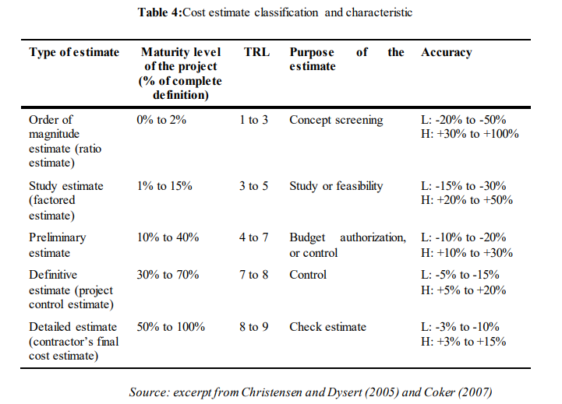
 | Cellulosic
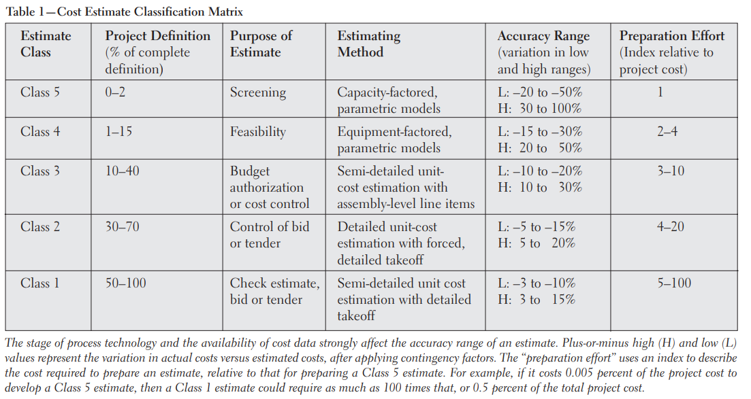
 | Edible & Ephemeral Packaging
 | Compostable Plastics
 | Textile | Pyrolysis of typical MSW components by Py-GC/MS and TG-FTIR - ScienceDirect
 | Wood

Monomers/Plastics ($/t) (j,m) |  | PET | HDPE | PVC | LDPE/LLDPE | PLA | PP | PS | Other Resins
Monomers → Plastics | Ethylene | Chemical recycling of polyethylene terephthalate, an industrial and sustainable opportunity for Northwest of England - ScienceDirect | pol_bref_0807.pdf (europa.eu) | content (au.edu) | pol_bref_0807.pdf (europa.eu) | Cost structure of bio-based plastics: A Monte-Carlo-analysis for PLA (econstor.eu) | pol_bref_0807.pdf (europa.eu) | pol_bref_0807.pdf (europa.eu) | pol_bref_0807.pdf (europa.eu)
 | Propylene
 | Butadiene
 | Alkyl Alcohol
 | Aromatic and Xylenes

Mechanical Recycling |  | 4. Economic Analysis of Plastic Waste Handling - Knovel | Understanding Plastics Recycling - Economic, Ecological, and Technical Aspects of Plastic Waste Handling
MRF
Incineration
Landfill

 |  | ($/metric ton) | High | Mid | Low
Plastic Tax |  | Tax on Virgin Materials |  | 220.46 (2024), 330.69 (2025), 440.92 (2026) |  | US lawmakers again propose tax on virgin plastic in packaging | Packaging Dive
Subsidies for Reuse ($/ton) |  |  | 140 | 70 for bottles, rigids, and flexibles; 105 for multimaterials
Subsidies for Recycling ($/ton) |  | Tipping Fees | 70.81 | 60.34 | 44.26 | EREF study shows MSW tip fees rose ‘sharply’ in 2022 - Waste Today (wastetodaymagazine.com)
 |  | Incentives for Recycling vs. Landfills | ??? (When recycling > Landfills)

